LOCK T calculator
 |  |  |  |  |  |  |  | LOCK-T NDS CALCULATOR version 1.20

 |  |  |  | STRUCTURAL DESIGN OF LOCK-T MINI AND MIDI CONCEALED BEAM CONNECTORS
 |  |  |  | Downward resistance according to the National Design Specification (NDS) for Wood Construction and USA design standards

Calculation standard: |  | NDS
Date:
RB sales agent:
Project:
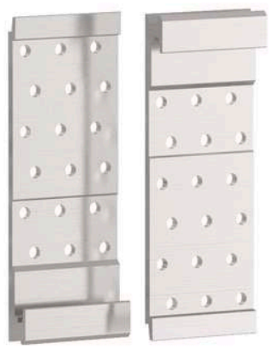

 |  |  |  |  |  |  |  |  |  | 1

1. DESIGN INFORMATION AND PRODUCT SELECTION

1.1 Unfactored Design Loads (simply supported beam with uniformly distribuited load)
 |  | [psf] | [kN/m2]
Superimposed Dead Load (D) |  | 20 | 0.96 | Alternatively, manually define the factored load in Section 1.2 b)
Live Load (L) |  | 40 | 1.92 | Beam is assumed to be uniformly loaded and simply supported
Snow Load (S) |  |  | 0.00
Roof Live Load (Lr) |  | 0 | 0.00

 |  | [ft] | [m]
Secondary Beam Span |  | 10.00 | 3.05 | Secondary beam Span and Spacing only considered when loads are defined in this section
Secondary Beam Spacing (O.C.) |  | 4.00 | 1.22

1.2 a) Load Combinations and Factored Design Load

Allowable Stress Design (ASD) |  |  |  |  | Load Resistance Factor Design (LRFD)
Governing Load Combination |  | D+L |  |  | Governing Load Combination |  |  | 1.2D+1.6L+0.5S
Load Duration Factor CD |  | 1.00 |  |  | Time Effect Factor λ |  |  | 0.8

 |  | [plf] | [kN/m] |  |  |  |  | [plf] | [kN/m]
ASD Factored Beam Design Load |  | 253 | 3.69 |  | LRFD Factored Beam Design Load |  |  | 367 | 5.36

 |  | [lbf] | [kN] |  |  |  |  | [lbf] | [kN]
ASD Factored Design Reaction [R] |  | 1,263 | 5.62 |  | LRFD Factored Design Reaction [R] |  |  | 1,835 | 8.16

1.2 b) Manual Load Entry (load on a single hanger)

Allowable Stress Design (ASD) |  |  |  |  | Load Resistance Factor Design (LRFD)
 |  | [lbf] | [kN] |  |  |  |  | [lbf] | [kN]
ASD Factored Design Reaction [R] |  |  | 0.00 |  | LRFD Factored Design Reaction [R] |  |  |  | 0.00

ASD Factored Design Reaction Considered for Design Verification: |  |  | [lbf] |  | LRFD Factored Design Reaction Considered for Design Verification: |  |  |  | [lbf]
 |  |  | 1,263 |  |  |  |  |  | 1,835

1.2 Wood Design Information

Main Member

Main Member Type |  | Beam with routing
 |  |  |  | [in] | [mm]
 |  |  | Sf (routing depth) | 0.87 | 22

Main Member Wood Species |  | Douglas Fir-Larch (North)
Specific Gravity, G |  |  | 0.49
Density (pcf) |  |  | 33.6

 |  |  |  | Minumum bxh based on connector
 |  | [in] | [mm] | [in] | [mm]
Member Width, BH |  | 5.125 | 130 | 3.23 | 82
Member depth HH |  | 12.000 | 305 | 7.48 | 190
 |  | 5.00 |  | 0.00 | 0

Predrill screw on main member? |  | No

 |  | ● Minimum member size may be reduced when holes are predrilled

Secondary Beam/Joist
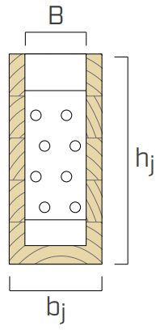
Secondary Member Wood Species |  | Douglas Fir-Larch (North)
Specific Gravity, G |  |  | 0.49
Density (pcf) |  |  | 33.6

 |  |  |  | minumum bxh based on connector selection
 |  | [in] | [mm] | [in] | [mm]
Member Width, bj |  | 5.125 | 130 | 4.13 | 105
Member Depth, hj |  | 10.500 | 267 | 6.89 | 175

 |  | [plf] | [kN/m]
Secondary Member Self Weight |  | 13 | 0.06

Predrill screws on secondary member? |  | No

 |  | ● Minimum member size may be reduced when holes are predrilled

1.3 Hanger and Screw Selection

Version with C4 EVO Coating? |  | NO |  | Connectors with EVO coating can be used outdoors in service class 3 conditions

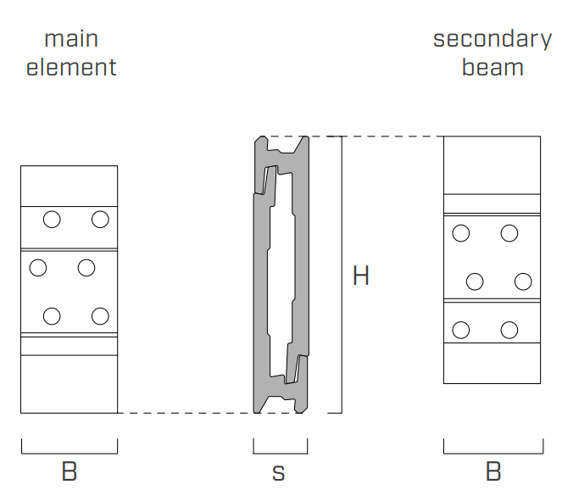
Hanger BxH |  | LOCK T 75x175 |  | LOCK T MIDI

Hanger code |  | LOCKT75175

 |  | [in] | [mm]
Connector Width, B |  | 2.95 | 75
Connector Height, H |  | 6.89 | 175
Connector Thickness, s |  | 0.87 | 22
Plate Design Thickness, t |  | 0.24 | 6.0
Screw Hole Diameter |  | 0.28 | 7.0
Material |  | 6005A T6 Aluminum

Main Member Screw Selection |  | LBS Ø 7 x 60 |  | 0
No. of Screws of secondary side |  | 12

Screw Code
 |  | [in] | [mm]
Nominal Screw Diameter, D |  | 0.276 | 7
Root Diameter, Dr |  | 0.173 | 4.39
Total Screw Length, L |  | 2.36 | 60

 |  | [psi] | [N/mm2]
Bending Yield Strength, fyb |  | 192,000 | 1,324

Secondary Member Screw Selection |  | LBS Ø 7 x 60 |  | 0
No. of Screws of secondary side |  | 12

Screw Code
 |  | [in] | [mm]
Nominal Screw Diameter, D |  | 0.276 | 7
Root Diameter, Dr |  | 0.173 | 4.39
Total Screw Length, L |  | 2.36 | 60

 |  | [psi] | [N/mm2]
Bending Yield Strength, fyb |  | 192,000 | 1,324

2. SINGLE SCREW CAPACITY
2.1 Main Member
Reference Lateral Design Value [screw installed perpendicular to grain]
Yield Mode | Single Shear [lbf] |  | Single Shear [kN]
Im | 700 |  | 3.11
Is | 725 |  | 3.23
II | 291 |  | 1.29
IIIm | 331 |  | 1.47
IIIs | 239 |  | 1.06
IV | 307 |  | 1.36

Zmin | 239 |  | 1.06

Reference Withdrawal Design Value | [lbf/in] |  | [N/mm]
W | 149 |  | 26.45

Combined Lateral and Withdrawal Capacity | [lbf] |  | [kN]
Zα | 246 |  | 1.09
Reference angle between the wood surface and direction of applied load (degrees) |  |  |  | 21.8

2.2 Secondary Member
Reference Lateral Design Value [screw installed in end grain]
Yield mode | Single shear [lbf] |  | Single shear [kN]
Im | 375 |  | 1.67
Is | 404 |  | 1.80
II | 156 |  | 0.70
IIIm | 177 |  | 0.79
IIIs | 130 |  | 0.58
IV | 164 |  | 0.73

Zmin | 130 |  | 0.58 |  | Z includes the end grain factor Ceg=0.67

3. HANGER CAPACITY AND DESIGN VERIFICATION
3.1 Adjustment Factors - applied to both screws installed in the primary and secondary members

 | ASD |  |  |  |  | LRFD
CD= | 1.15 | Do not modify |  |  | λ= | 0.8 | Manually input time effect factor
CD= | 1.00 | Load duration factor |  |  | λ= | 0.8 | Time effect factor
CM= | 1.00 | Wet service factor |  |  | Kf= | 3.32 | Format conversion factor
Ct= | 1.00 | Temperature factor |  |  | Φ= | 0.65 | Resistance factor
 |  |  |  |  | CM= | 1.00 | Wet service factor
 |  |  |  |  | Ct= | 1.00 | Temperature factor

3.2 ASD ADJUSTED DESIGN VALUES OF THE CONNECTION OF ALL FASTENERS

Hanger | No. of Scews |  |  | SECONDARY MEMBER FASTENER CAPACITY |  | MAIN MEMBER FASTENER CAPACITY |  | ALUMINUM CAPACITY
 | n |  |  | [lbf] |  | [lbf] |  | [lbf]
LOCK T 75x175 | 12 |  |  | 1,554 |  | 2,952 |  | 5,395

 |  |  |  | [kN] |  | [kN] |  | [kN]
 |  |  |  | 6.91 |  | 13.13 |  | 24.00

 |  |  |  | [lbf] |  | UTILIZATION FACTOR
ASD GOVERNING ALLOWABLE CAPACITY = |  |  | SECONDARY MEMBER | 1,554 |  | 81% |  | VERIFIED

3.3 LRFD ADJUSTED DESIGN VALUES

Hanger | No. of Scews |  |  | SECONDARY MEMBER FASTENER CAPACITY |  | MAIN MEMBER FASTENER CAPACITY |  | ALUMINUM CAPACITY
 | n |  |  | [lbs] |  | [lbs] |  | [lbf]
LOCK T 75x175 | 12 |  |  | 2,683 |  | 5,097 |  | 7,890

 |  |  |  | [kN] |  | [kN] |  | [kN]
 |  |  |  | 11.93 |  | 22.67 |  | 35.10

 |  |  |  | [lbs] |  | UTILIZATION FACTOR
LRFD GOVERNING ALLOWABLE CAPACITY = |  |  | SECONDARY MEMBER | 2,683 |  | 68% |  | VERIFIED

4. DESIGN SUMMARY AND TAKEOFF
Number of LOCK connections |  | n° | 10

 |  |  | Code | Quantity required | Pcs per box
Couple of hidden fastener |  |  | LOCKT75175 | 10 | 12 couples

Fastening screws main element |  |  | LBS760 | 120 | 100
Fastening screws secondary beam |  |  | LBS760 | 120 | 100

GENERAL NOTES:
1. The information and calculations provided in this excel tool are intended to be used for general purposes. Rothoblaas aims to keep all information current and complete but can not make warranties or assume liability through the use of this tool.
2. Rothoblaas reserves the right to update or change calculations methods, designs, or models without notice or liability. Visit www.rothoblaas.com for the most up to date design resources.
3. All images are provided for reference only and actual conditions may vary on site.
4. Additional design and installation information for LOCK T connectors can be downloaded at www.rothoblaas.com. All fasteners and connectors must be installed according to Rothoblaas requirements.

NOTES TO THE DESIGNER:
1. The design methodology used for calculation is according to European Technical Assessment ETA-19/0831 and supporting expert reports.
2. ASD and LRFD capacities for screws have been derived according to the 2018 National Design Specification (NDS) for Wood Construction Chapter 12 and ICC-ES Evaluation Report ESR-4645. The designer shall apply all applicable adjustment factors.
3. ASD and LRFD capacities for aluminum plates have been derived from ETA-19/0831, laboratory test data, ASTM D7147, and the Aluminum Design Manual. Additional adjustment factors are not required.
...

